1st page

Plot No 97 Shop No: 06 Manisha Apartment, Roplekar Hospital Road, Tilak nagar, Aurangabad-Maharashtra - 431001
SHREE CALIBRATION
MEASUREMENT AND TESTING SERVICES
+91 8888986900
shreecalibration.mt@gmail.com
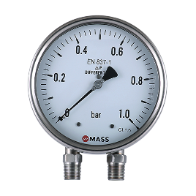

Differential Pressure Gauge
Voltmeter
RTD Meter
Temp

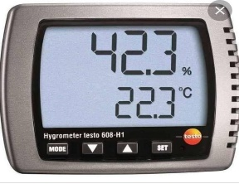

Pressure Switch
Glass Thermometer
Thermocouple
Thermohygrometer

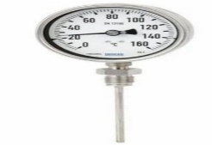
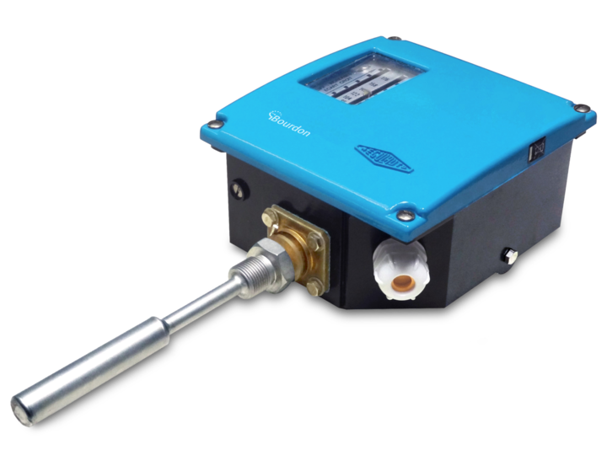
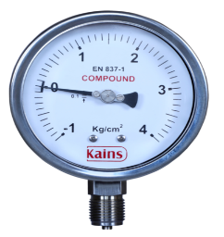

Hum. Temp.co
Temp. Gauge
Temp. Switch
Compound Gauge

Rotameter
Weighing Scale
Manometer
Intensity Meter

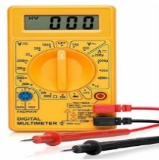

SPM Meter
Photohelic Gauge
Ph Meter
Multimeter

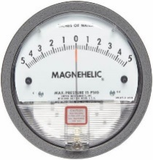

Moisture Meter
Oxygen Meter
Magnem
Mini Datalogger

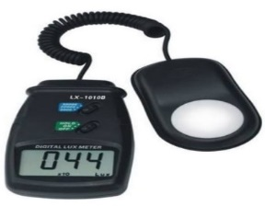
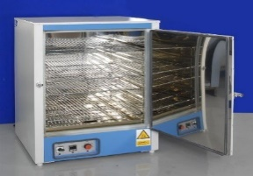
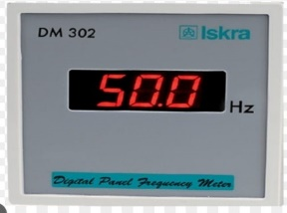

Lux Meter
Thermohygrometer
Oven
Frequency Meter

2nd page
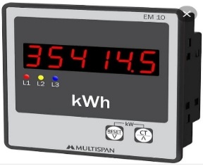

Force Meter
Flow Transmittrer
Energy Meter
DT Apperatus

Flow Meter
Dry Wet Hygrometer
Techometer
Clock

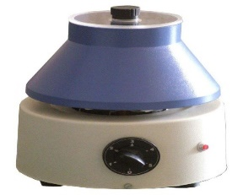

Conductivity Meter
Clamp meter
Dew Point Meter
Centrifugal Machine

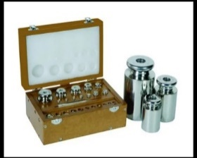
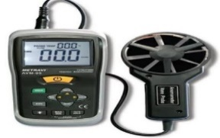

Anemometer
Weight Box
ORP Meter
Pressure Gauge

UV Hour Meter
Counter Meter
Stop Watch
Test Sieve

Muffle Furnace TDS Meter Sound Level Meter Spirit Level

Megger Water Bath PID Controller Hardness Tester

1st page (2)
Plot No 97 Shop No: 06 Manisha Apartment, Roplekar Hospital Road, Tilak nagar, Aurangabad-Maharashtra - 431001
SHREE CALIBRATION
MEASUREMENT AND TESTING SERVICES
+91 8888986900
shreecalibration.mt@gmail.com

Differential Pressure Gauge
Voltmeter
RTD Meter
Pressure Gauge

Pressure Switch
Glass Thermometer
Thermocouple
Thermohygrometer

Hum. Temp.co
Temp. Gauge
Temp. Switch
Compound Gauge

Multimeter
Weighing Scale
Oxygen Meter
Magnelic Gauge

Mini Datalogger
Lux Meter
Thermohygrometer
Oven

Frequency Meter
Anemometer
Weight Box
Temp

Test Sieve
PID Controller

